README
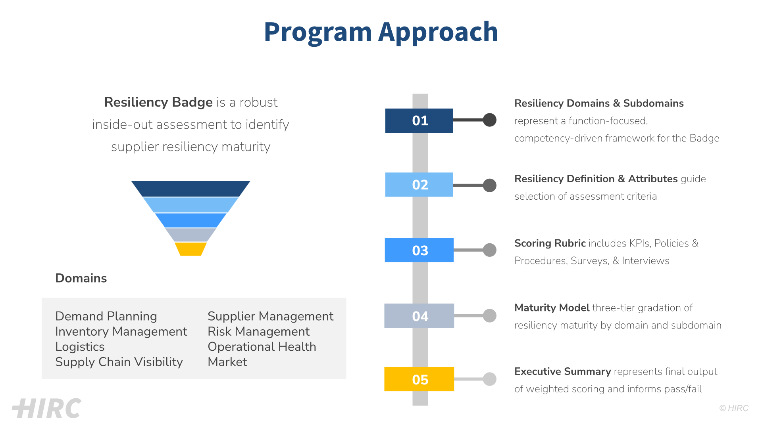

A. Executive Summary
Executive Summary
© HIRC All Rights Reserved

Assessment View Summary |  | Assessment Outcome
 |  | Overall Assessment Grade | Resilience Maturity Level | Badge Awarded
 | Refresh Pivot Chart to reflect updated scores | 0 or Null | Unassessed | Unassessed
 |  | < 1.75 | Less than Acceptable | No Badge Awarded
 |  | >= 1.75 and < 2 | Capable | Silver
 |  | >= 2 and < 2.5 | Mature | Gold
 |  | >= 2.5 | Outperforming | Diamond

 |  | Refresh Pivot Table to reflect updated scores
 |  | Domains/Sub-Domains | Overall Assessment Grade | Resilience Maturity Level | Badge Awarded
 |  | Overall | 0.00 | Unassessed | Unassessed
 |  | 1. Demand Planning | 0.00 | Unassessed | Unassessed
 |  | 2. Inventory Management | 0.00 | Unassessed | Unassessed
 |  | 3. Logistics | 0.00 | Unassessed | Unassessed
 |  | 4. Supply Chain Visibility | 0.00 | Unassessed | Unassessed
 |  | 5. Supplier Management | 0.00 | Unassessed | Unassessed
 |  | 6. Risk Management and Contingency Planning | 0.00 | Unassessed | Unassessed
 |  | 7. Operational Health | 0.00 | Unassessed | Unassessed

A. Sub-Domain Summary
Sub-Domain Summary
© HIRC All Rights Reserved

Assessment View Summary | Assessment Outcome
 | Overall Assessment Grade | Resilience Maturity Level | Badge Awarded
 | 0 or Null | Unassessed | Unassessed
 | < 1.75 | Less than Acceptable | No Badge Awarded
 | >= 1.75 and < 2 | Capable | Silver
 | >= 2 and < 2.5 | Mature | Gold
 | >= 2.5 | Outperforming | Diamond

 | Refresh Pivot Table to reflect updated scores
 | Domains/Sub-Domains | Overall Assessment Grade | Resilience Maturity Level | Badge Awarded
 | Overall | 0.00 | Unassessed | Unassessed
 | 1.1 Demand Variability Management | 0.00 | Unassessed | Unassessed
 | 1.2 Collaborative Planning across Business Units | 0.00 | Unassessed | Unassessed
 | 1.3 Demand Agility | 0.00 | Unassessed | Unassessed
 | 1.4 Channel Strength | 0.00 | Unassessed | Unassessed
 | 2.1 Target Inventory Levels and Safety Stock Management | 0.00 | Unassessed | Unassessed
 | 2.2 Lead Time Management | 0.00 | Unassessed | Unassessed
 | 2.3 Capacity Management | 0.00 | Unassessed | Unassessed
 | 2.4 Stockout and Backorder Management | 0.00 | Unassessed | Unassessed
 | 2.5 Redundancy, Optionality and SKU Rationalization | 0.00 | Unassessed | Unassessed
 | 3.1 Warehouse Management | 0.00 | Unassessed | Unassessed
 | 3.2 End-to-End Network Design | 0.00 | Unassessed | Unassessed
 | 3.3 Carrier and Vendor Management | 0.00 | Unassessed | Unassessed
 | 4.1 Extended Supply Chain Mapping | 0.00 | Unassessed | Unassessed
 | 4.2 Extended Supplier Collaboration and Communication | 0.00 | Unassessed | Unassessed
 | 4.3 Tracking and Tracing Management | 0.00 | Unassessed | Unassessed
 | 4.4 Organizational Fulfillment Performance | 0.00 | Unassessed | Unassessed
 | 5.1 Supplier Performance Management | 0.00 | Unassessed | Unassessed
 | 5.2 Supplier Geographic Diversity | 0.00 | Unassessed | Unassessed
 | 5.3 Supplier Selection and Qualification Processes | 0.00 | Unassessed | Unassessed
 | 6.1 Enterprise Risk Management Strategy & Practices | 0.00 | Unassessed | Unassessed
 | 6.2 Business Continuity and Mitigation Planning | 0.00 | Unassessed | Unassessed
 | 6.3 Risk Identification and Awareness | 0.00 | Unassessed | Unassessed
 | 6.4 Third-party Risk Management Practices And Standards | 0.00 | Unassessed | Unassessed
 | 6.5 Supply Chain Event Monitoring | 0.00 | Unassessed | Unassessed
 | 6.6 Product Recalls | 0.00 | Unassessed | Unassessed
 | 7.1 Performance Metrics and Management | 0.00 | Unassessed | Unassessed
 | 7.2 Process Efficiency Management and Critical Product Workflows | 0.00 | Unassessed | Unassessed

